data
x_axis | y_axis
2025 | 38.765432099
2026 | 39.259259259
2027 | 37.283950617
2028 | 35.308641975
2029 | 33.827160494
2030 | 31.851851852
2031 | 29.87654321
2032 | 28.395061728
2033 | 26.419753086
2034 | 24.444444444
2035 | 22.962962963
2036 | 21.481481481
2037 | 20
2038 | 19.012345679
2039 | 17.530864198
2040 | 16.049382716
2041 | 15.061728395
2042 | 13.580246914
2043 | 12.592592593
2044 | 11.111111111
2045 | 10.12345679
2046 | 9.1358024691
2047 | 8.1481481481
2048 | 7.6543209877
2049 | 6.6666666667
2050 | 5.6790123457
2051 | 4.6913580247
2052 | 3.7037037037
2053 | 3.2098765432
2054 | 2.2222222222
2055 | 2.2222222222
2056 | 1.7283950617
2057 | 1.2345679012
2058 | 0.74074074074
2059 | 0.74074074074
2060 | 0.24691358025
2061 | -0.24691358025
2062 | -0.74074074074
2063 | -0.74074074074
2064 | -1.2345679012
2065 | -1.2345679012
2066 | -1.7283950617
2067 | -1.7283950617
2068 | -2.2222222222
2069 | -2.2222222222
2070 | -2.7160493827
2071 | -2.7160493827
2072 | -3.2098765432
2073 | -3.7037037037
2074 | -4.1975308642
2075 | -4.6913580247
2076 | -4.6913580247
2077 | -5.1851851852
2078 | -5.6790123457
2079 | -6.1728395062
2080 | -6.1728395062
2081 | -6.6666666667
2082 | -7.1604938272
2083 | -7.6543209877
2084 | -7.6543209877
2085 | -8.1481481481
2086 | -8.6419753086
2087 | -9.1358024691
2088 | -9.1358024691
2089 | -9.6296296296
2090 | -10.12345679
2091 | -10.617283951
2092 | -10.617283951
2093 | -11.111111111
2094 | -11.111111111
2095 | -11.604938272
2096 | -11.604938272
2097 | -12.098765432
2098 | -12.098765432
2099 | -12.592592593

picture
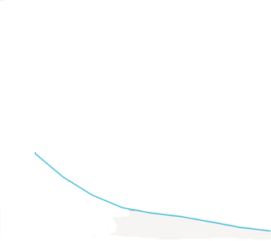

picture_original
